Tsveti

Група 1 | Основна страница | Бонус страница
Цвета Василева | Home- http://training.skillo-bg.com:4200/posts/all | Sign in ( Login ) - http://training.skillo-bg.com:4200/users/login

 | homeicon - skillo logo - /html/body/app-root/div[1]/app-header/header/nav/div/a/img | users/login - the login button - /html/body/app-root/div[1]/app-header/header/nav/div/div/ul[1]/li[2]/a
 | //body/app-root/div[1] - the header padding - /html/body/app-root/div[1]/app-header/header | sign-in-button - the sign in button - or //*[@id="sign-in-button"] - /html/body/app-root/div[2]/app-login/div/div/form/button
 | //body/app-root/div[2]/app-all-posts/div[1] - the page container - /html/body/app-root/div[2]/app-all-posts/div | remember-me-button - the remember me tick/button - /html/body/app-root/div[2]/app-login/div/div/form/div/input
 | nav-link-home - the home button - /html/body/app-root/div[1]/app-header/header/nav/div/div/ul[1]/li[1]/a, //*[@id="nav-link-home"] | register - the Register button - /html/body/app-root/div[2]/app-login/div/div/form/p[2]/a

1

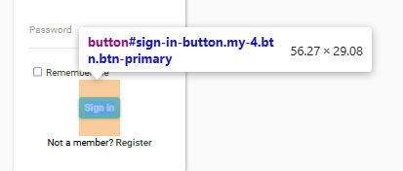
2

3

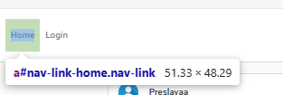
4

